Assumptions
Development and Property Tax Revenue Projections
Assumptions

I. | Discount Rate |  | 4.45% | (Same Discount Rate as the EPS Study Uses)
II. | Debt Service
 |  | Middle Debt Service Scenario |  | (As presented in the Memo)
 |  | Allocation of Proceeds: | Allocated based on Building Remediation Needed
 |  | Allocation of Debt Svc: | Allocation Option 1: Based on FY 2018-19 ROPS
III. | Development Projections
 |  | For Marina and Seaside, we used EPS development projections for FYEs 2019 and 2020 and the City projections for FYEs 2021-2029
 |  | For Del Rey Oaks and Monterey County, we used EPS development Projections
IV. | Treatment of Residual Allocation
 |  | Successor Agency Increment from dissolution is all subject to residual allocation
 |  | County increment from dissolution is not subject to residual allocation
 |  | Increased percentages to County do not go through a SA (so are not subject to residual allocation)
 |  | 10% share from FORA to member jurisdictions is not subject to residual allocation and continues after FORA goes away
 |  | Other taxing entities does not go through an SA
 |  | Two scenarios for County residual allocation: 20% and 40%
 |  | We assumed Marina, Seaside, and Del Rey Oaks Resdiual Allocation shares at 20%
V. | Enforceable Obligations
 |  | We assumed all Successor Agency enforceable obligations cash flow requirements are being 100% met by existing pre-dissolution cash flows
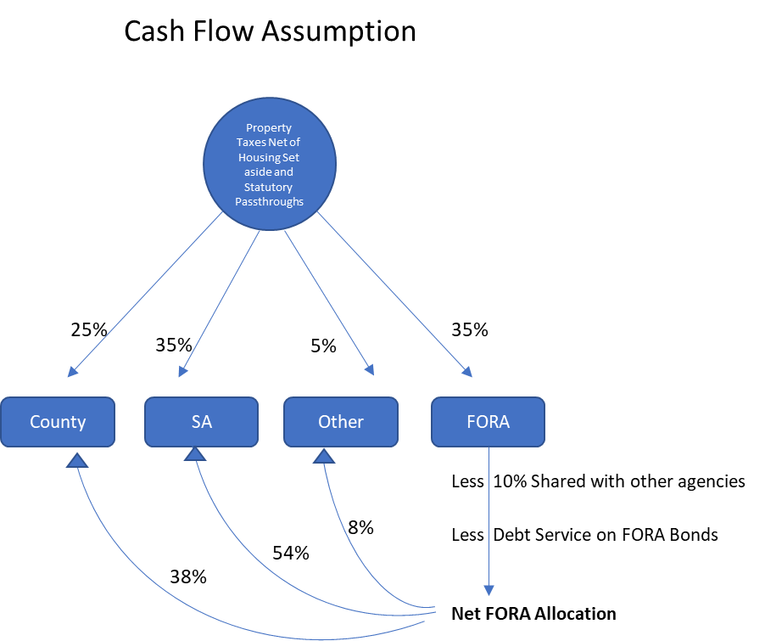
VI. | Allocation of Revenues
 |  | Before Dissolution
 |  |  | County General Fund
 |  |  | FORA
 |  |  | Project Area Successor Agency
 |  |  | Other Taxing Entities
 |  | After Dissolution
 |  |  | County General Fund
 |  |  | Project Area Successor Agency
 |  |  | Other Taxing Entities
 |  | The delta from dissolution is only measured from each entity's share of Net FORA Allocation
VII. | Because the City of Monterey did not form an RDA over their Fort Ord lands, they are excluded from this analysis
VIII. | Revenues
 |  | FY 18-19 ROPS is starting point on revenue, not EPS
 |  | FYE 2020 onward utilizes development projections and 2% AV growth assumption to drive TI revenues
IX. | Passthroughs
 | For Marina, Seaside, and County, educational passthroughs are calculated slightly differently than EPS study,
 | but consistent wth practice by the County Auditor Controller.
 | For calculating educational passthroughs, we took the weighted average rates of multiple tax rate areas (TRAs).
 | This average rate may result in immaterial differences from Monterey County Auditor-Controller's calculations.
 | For Marina, there are two project areas included in our analysis. To keep the analysis simple, we have blended the two project areas together, using the Marina project area #3 information as the key driver, given that its assessed value is 26x the Marina Airport project area's AV. Marina Airport's Tier 3 sharing comes online in 2030, based on a 2008-09 base year.

 | No changes to EPS analysis were made to the Del Rey Oaks analysis.
X. | Tax Increment
 | 2018-19 AV From Monterey County for Marina, Seaside, and County
 | 2018-19 AV Calculated for Del Rey Oaks based on the FY 2019 ROPS

DS (Base Case)
Note, when updating the DS in this, update the blue numbers only. Other numbers are formulas.
Make sure to update the S&U table in columns K-M
 | Fort Ord Reuse Authority |  |  |  |  |  | Sources
 | 2019 Building Removal Financing |  |  |  |  |  | Bond Par |  | 36,370,000
 | Building Removal and Remediation |  |  |  |  |  | Premium |  | 1,202,979.20
 |  |  |  |  |  |  | Total Sources of Funds |  | 37,572,979
 | Period Ending | Principal | Coupon | Interest | Debt Service | Fiscal Year Debt Service | Uses
 | 2019-12-01 |  |  | - | - | - | Project Funds |  | 36,607,217
201920 | 2020-06-01 | 1,385,000 | 2.35% | 624,375.63 | 2,009,375.63 | 2,009,375.63 | Debt Service Reserve Fund / Surety |  | 60,481
 | 2020-12-01 |  |  | 608,118.68 | 608,118.68 |  | Underwriter's Discount (1.0%) |  | 363,700
202021 | 2021-06-01 | 795,000 | 2.45% | 608,118.68 | 1,403,118.68 | 2,011,237.36 | Bond Insurance |  | 291,581
 | 2021-12-01 |  |  | 598,401.08 | 598,401.08 |  | Costs of Issuance |  | 250,000
202122 | 2022-06-01 | 815,000 | 2.48% | 598,401.08 | 1,413,401.08 | 2,011,802.16 | Total Uses of Funds |  | 37,572,979
 | 2022-12-01 |  |  | 588,280.40 | 588,280.40
202223 | 2023-06-01 | 835,000 | 2.53% | 588,280.40 | 1,423,280.40 | 2,011,560.80
 | 2023-12-01 |  |  | 577,700.40 | 577,700.40 |  | Allocation Option 1: Based on FY 2018-19 ROPS
202324 | 2024-06-01 | 855,000 | 2.58% | 577,700.40 | 1,432,700.40 | 2,010,400.80 | Redevelopment Project Area | % of Proceeds | $ Allocation
 | 2024-12-01 |  |  | 566,664.15 | 566,664.15
202425 | 2025-06-01 | 880,000 | 2.81% | 566,664.15 | 1,446,664.15 | 2,013,328.30 | Marina (Airport and RDA 3) | 39.930% | 14,617,262
 | 2025-12-01 |  |  | 554,290.40 | 554,290.40 |  | Seaside Fort Ord | 33.045% | 12,096,968
202526 | 2026-06-01 | 900,000 | 2.97% | 554,290.40 | 1,454,290.40 | 2,008,580.80 | Del Rey Oaks Fort Ord | 0.310% | 113,344
 | 2026-12-01 |  |  | 540,918.75 | 540,918.75 |  | Fort Ord East Garrison | 26.711% | 9,778,215
202627 | 2027-06-01 | 925,000 | 3.06% | 540,918.75 | 1,465,918.75 | 2,006,837.50 | Totals | 100.00% | 36,605,789
 | 2027-12-01 |  |  | 526,764.20 | 526,764.20
202728 | 2028-06-01 | 960,000 | 3.07% | 526,764.20 | 1,486,764.20 | 2,013,528.40
 | 2028-12-01 |  |  | 512,022.60 | 512,022.60 |  | Allocation Option 2: Based on FY 2019-20 Tax Increment Generated
202829 | 2029-06-01 | 985,000 | 3.16% | 512,022.60 | 1,497,022.60 | 2,009,045.20 | Redevelopment Project Area | % of Proceeds | $ Allocation
 | 2029-12-01 |  |  | 496,465.70 | 496,465.70
202930 | 2030-06-01 | 1,020,000 | 3.25% | 496,465.70 | 1,516,465.70 | 2,012,931.40 | Marina (Airport and RDA 3) | 39.899% | 14,606,090
 | 2030-12-01 |  |  | 479,875.30 | 479,875.30 |  | Seaside Fort Ord | 30.811% | 11,279,182
203031 | 2031-06-01 | 1,050,000 | 3.34% | 479,875.30 | 1,529,875.30 | 2,009,750.60 | Del Rey Oaks Fort Ord | 0.368% | 134,534
 | 2031-12-01 |  |  | 462,342.55 | 462,342.55 |  | Fort Ord East Garrison | 28.922% | 10,587,412
203132 | 2032-06-01 | 1,085,000 | 3.43% | 462,342.55 | 1,547,342.55 | 2,009,685.10 | Totals | 100.00% | 36,607,217
 | 2032-12-01 |  |  | 443,726.05 | 443,726.05
Note, this table relates to allocation of proceeds only, NOT allocation of debt service. Debt service, for bond security purposes, will be allocated based on property tax revenues generated in each area.
203233 | 2033-06-01 | 1,125,000 | 3.50% | 443,726.05 | 1,568,726.05 | 2,012,452.10 | Bond Proceeds Allocation : Based on Amount of Building Removal
 | 2033-12-01 |  |  | 424,061.05 | 424,061.05 |  | Redevelopment Project Area | % of Proceeds | $ Allocation
203334 | 2034-06-01 | 1,165,000 | 3.57% | 424,061.05 | 1,589,061.05 | 2,013,122.10 | MST, MCWD, TAMC | 15.980% | 5,850,000
 | 2034-12-01 |  |  | 403,287.75 | 403,287.75 |  | Marina (MST, MCWD, TAMC) | 51.184% | 18,737,216.82
203435 | 2035-06-01 | 1,200,000 | 3.62% | 403,287.75 | 1,603,287.75 | 2,006,575.50 | Seaside Fort Ord | 25.951% | 9,500,000
 | 2035-12-01 |  |  | 381,587.75 | 381,587.75 |  | Del Rey Oaks Fort Ord | 0.000% | -
203536 | 2036-06-01 | 1,245,000 | 3.67% | 381,587.75 | 1,626,587.75 | 2,008,175.50 | Monterey County | 6.884% | 2,520,000
 | 2036-12-01 |  |  | 358,742.75 | 358,742.75 |  | Totals | 100.00% | 36,607,217
203637 | 2037-06-01 | 1,295,000 | 3.70% | 358,742.75 | 1,653,742.75 | 2,012,485.50
 | 2037-12-01 |  |  | 334,767.25 | 334,767.25 |  | Allocation Option 1: Based on FY 2018-19 ROPS
203738 | 2038-06-01 | 1,345,000 | 3.71% | 334,767.25 | 1,679,767.25 | 2,014,534.50 | Allocation Option 2: Based on FY 2019-20 Tax Increment Generated
 | 2038-12-01 |  |  | 309,800.25 | 309,800.25 |  | Allocation Option 3: Based on Building Removal Cost Allocation
203839 | 2039-06-01 | 1,390,000 | 3.72% | 309,800.25 | 1,699,800.25 | 2,009,600.50
 | 2039-12-01 |  |  | 283,981.25 | 283,981.25 |  |  |  | Debt Service Allocation | Allocation Option 1: Based on FY 2018-19 ROPS
203940 | 2040-06-01 | 1,445,000 | 3.73% | 283,981.25 | 1,728,981.25 | 2,012,962.50
 | 2040-12-01 |  |  | 257,040.00 | 257,040.00 |  |  |  |  | 201920 | 202021 | 202122 | 202223 | 202324 | 202425 | 202526 | 202627 | 202728 | 202829 | 202930 | 203031 | 203132 | 203233 | 203334 | 203435 | 203536 | 203637 | 203738 | 203839 | 203940 | 204041 | 204142 | 204243 | 204344 | 204445 | 204546 | 204647 | 204748 | 204849
204041 | 2041-06-01 | 1,495,000 | 3.73% | 257,040.00 | 1,752,040.00 | 2,009,080.00 |  |  | Total DS | 2,009,376 | 2,011,237 | 2,011,802 | 2,011,561 | 2,010,401 | 2,013,328 | 2,008,581 | 2,006,838 | 2,013,528 | 2,009,045 | 2,012,931 | 2,009,751 | 2,009,685 | 2,012,452 | 2,013,122 | 2,006,576 | 2,008,176 | 2,012,486 | 2,014,535 | 2,009,601 | 2,012,963 | 2,009,080 | 2,013,318 | 2,010,126 | 2,009,800 | 2,012,031 | 2,011,778 | 2,013,894 | 2,008,270 | #N/A
 | 2041-12-01 |  |  | 229,158.75 | 229,158.75 |  |  |  | Project Area DS
204142 | 2042-06-01 | 1,555,000 | 3.74% | 229,158.75 | 1,784,158.75 | 2,013,317.50
 | 2042-12-01 |  |  | 200,062.75 | 200,062.75 |  |  |  | Marina (Airport and RDA 3) | 802,344 | 803,087 | 803,313 | 803,216 | 802,753 | 803,922 | 802,026 | 801,330 | 804,002 | 802,212 | 803,764 | 802,493 | 802,467 | 803,572 | 803,840 | 801,226 | 801,864 | 803,585 | 804,404 | 802,433 | 803,776 | 802,226 | 803,918 | 802,643 | 802,513 | 803,404 | 803,303 | 804,148 | 801,902 | #N/A
204243 | 2043-06-01 | 1,610,000 | 3.75% | 200,062.75 | 1,810,062.75 | 2,010,125.50 |  |  | Seaside Fort Ord | 664,004 | 664,620 | 664,806 | 664,726 | 664,343 | 665,311 | 663,742 | 663,166 | 665,377 | 663,895 | 665,179 | 664,128 | 664,107 | 665,021 | 665,242 | 663,079 | 663,608 | 665,032 | 665,709 | 664,079 | 665,190 | 663,907 | 665,307 | 664,252 | 664,144 | 664,882 | 664,798 | 665,497 | 663,639 | #N/A
 | 2043-12-01 |  |  | 169,899.75 | 169,899.75 |  |  |  | Del Rey Oaks Fort Ord | 6,221 | 6,227 | 6,229 | 6,228 | 6,225 | 6,234 | 6,219 | 6,214 | 6,234 | 6,220 | 6,233 | 6,223 | 6,222 | 6,231 | 6,233 | 6,213 | 6,218 | 6,231 | 6,237 | 6,222 | 6,233 | 6,221 | 6,234 | 6,224 | 6,223 | 6,230 | 6,229 | 6,235 | 6,218 | #N/A
204344 | 2044-06-01 | 1,670,000 | 3.76% | 169,899.75 | 1,839,899.75 | 2,009,799.50 |  |  | Fort Ord East Garrison | 536,728 | 537,225 | 537,376 | 537,311 | 537,002 | 537,783 | 536,515 | 536,050 | 537,837 | 536,639 | 537,677 | 536,828 | 536,810 | 537,549 | 537,728 | 535,980 | 536,407 | 537,558 | 538,106 | 536,788 | 537,686 | 536,649 | 537,781 | 536,928 | 536,841 | 537,437 | 537,369 | 537,934 | 536,432 | #N/A
 | 2044-12-01 |  |  | 138,515.50 | 138,515.50 |  |  |  | Total DS | 2,009,297 | 2,011,159 | 2,011,724 | 2,011,482 | 2,010,322 | 2,013,250 | 2,008,502 | 2,006,759 | 2,013,450 | 2,008,967 | 2,012,853 | 2,009,672 | 2,009,607 | 2,012,374 | 2,013,044 | 2,006,497 | 2,008,097 | 2,012,407 | 2,014,456 | 2,009,522 | 2,012,884 | 2,009,002 | 2,013,239 | 2,010,047 | 2,009,721 | 2,011,953 | 2,011,699 | 2,013,815 | 2,008,191 | #N/A
204445 | 2045-06-01 | 1,735,000 | 3.76% | 138,515.50 | 1,873,515.50 | 2,012,031.00
 | 2045-12-01 |  |  | 105,888.75 | 105,888.75
204546 | 2046-06-01 | 1,800,000 | 3.77% | 105,888.75 | 1,905,888.75 | 2,011,777.50
 | 2046-12-01 |  |  | 71,946.75 | 71,946.75
204647 | 2047-06-01 | 1,870,000 | 3.78% | 71,946.75 | 1,941,946.75 | 2,013,893.50
 | 2047-12-01 |  |  | 36,634.75 | 36,634.75
204748 | 2048-06-01 | 1,935,000 | 3.79% | 36,634.75 | 1,971,634.75 | 2,008,269.50
 |  | 36,370,000 |  | 21,946,266.25 | 58,316,266.25 | 58,316,266.25

